BB
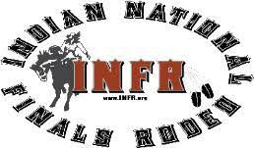
N.A.N.C.A.
PAY OUT SHEET

Host: | O'CHIESE QUALIFIER
Event: | BAREBACK
Date: | July 1 - 3 ,2022

 |  |  |  |  |  | 5- | 6+ | 2000+
No. of Entries |  | 4 |  | 1st | $3,045.60 | 60% | 40% | 29%
Entry Fees |  | $100.00 |  | 2nd | $2,030.40 | 40% | 30% | 24%
 |  | $400.00 |  |  |  |  | 20% | 19%
Prize Money |  | $5,000.00 |  |  |  |  | 10% | 14%
Sub-total |  | $5,400.00 |  |  |  |  |  | 9%
Less CRES Fee |  | $324.00 |  |  |  |  |  | 5%
Total |  | $5,076.00

PTS |  |  | TIME SCORE | AMT | SIGNATURE

10 | 1st | Cam Bruised Head | 78 | $3,045.60
9 | 2nd | Jacob Todechine | 70 | $2,030.40 |  |  |  |  | Use Paste values to keep underlines
8 | 3rd | Dallas Young Pine | 57
7 | 4th
6 | 5th
5 | 6th
4 | 7th
3 | 8th
2 | 9th
1 | 10th

